Sheet5
Matches win by team w.r.t. Bat First and Field First
Count of toss_decision | Column Labels
Row Labels | bat | field | Grand Total
Kolkata Knight Riders | 3 | 7 | 10
Kings XI Punjab | 1 | 8 | 9
Chennai Super Kings | 3 | 4 | 7
Rajasthan Royals | 2 | 5 | 7
Mumbai Indians | 3 | 4 | 7
Sunrisers Hyderabad | 1 | 3 | 4
Royal Challengers Bangalore | 1 | 2 | 3
Grand Total | 14 | 33 | 47

Toss Decision Based winning %

Row Labels | Count of winner
bat | 29.8%
field | 70.2%
Grand Total | 100.0%

Top 10 Venues with most matches and winning Based on Bat First and Filed First
 | bat | field
Wankhede Stadium | 1 | 5
M Chinnaswamy Stadium | 1 | 5
Eden Gardens |  | 4
Feroz Shah Kotla | 1 | 4
Barabati Stadium |  | 3
Sheikh Zayed Stadium | 4 | 3
Sardar Patel Stadium, Motera | 1 | 3
Punjab Cricket Association Stadium, Mohali |  | 3
JSCA International Stadium Complex | 3 | 1
Rajiv Gandhi International Stadium, Uppal | 3 | 1

Count of winner | Column Labels
Row Labels | bat | field | Grand Total
Wankhede Stadium | 1 | 5 | 6
M Chinnaswamy Stadium | 1 | 5 | 6
Eden Gardens |  | 4 | 4
Feroz Shah Kotla | 1 | 4 | 5
Barabati Stadium |  | 3 | 3
Sheikh Zayed Stadium | 4 | 3 | 7
Sardar Patel Stadium, Motera | 1 | 3 | 4
Punjab Cricket Association Stadium, Mohali |  | 3 | 3
JSCA International Stadium Complex | 3 | 1 | 4
Rajiv Gandhi International Stadium, Uppal | 3 | 1 | 4
Grand Total | 14 | 32 | 46

Top 10 MoM Player
Row Labels | Count of player_of_match | Player Name | Count of MoM
AB de Villiers | 2 | AB de Villiers | 2
AM Rahane | 2 | AM Rahane | 2
CJ Anderson | 2 | CJ Anderson | 2
DA Warner | 2 | DA Warner | 2
DR Smith | 2 | DR Smith | 2
G Gambhir | 2 | G Gambhir | 2
GJ Maxwell | 2 | GJ Maxwell | 2
JP Faulkner | 2 | JP Faulkner | 2
MEK Hussey | 2 | MEK Hussey | 2
PV Tambe | 2 | PV Tambe | 2
RA Jadeja | 2 | RA Jadeja | 2
RV Uthappa | 3
Sandeep Sharma | 2
SK Raina | 2
UT Yadav | 2
Grand Total | 31

Dashboard
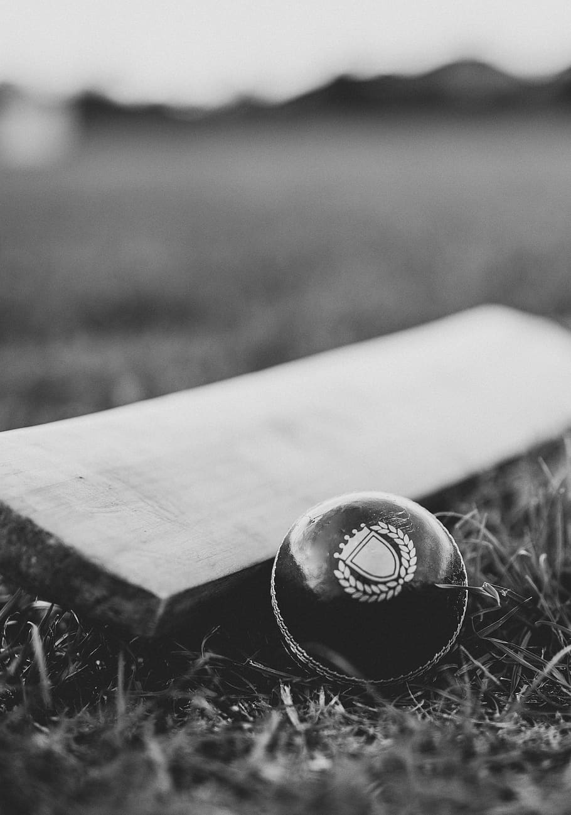
INDIAN PREMIER LEAGUE ANALYSIS
SEASON
IPL-2014
WINNER
Kolkata Knight Riders
CAPTAIN
Gautam Gambhir
MoM
Manish Pandey

Matches win by team w.r.t. Bat First and Field First
 | bat | field
Kolkata Knight Riders | 3 | 7
Kings XI Punjab | 1 | 8
Chennai Super Kings | 3 | 4
Rajasthan Royals | 2 | 5
Mumbai Indians | 3 | 4
Sunrisers Hyderabad | 1 | 3
Royal Challengers Bangalore | 1 | 2
Toss Decision Based winning %
 | Total
bat | 29.8%
field | 70.2%

Top 10 Venues with most matches and winning Based on Bat First and Filed First
 | bat | field
Wankhede Stadium | 1 | 5
M Chinnaswamy Stadium | 1 | 5
Eden Gardens |  | 4
Feroz Shah Kotla | 1 | 4
Barabati Stadium |  | 3
Sheikh Zayed Stadium | 4 | 3
Sardar Patel Stadium, Motera | 1 | 3
Punjab Cricket Association Stadium, Mohali |  | 3
JSCA International Stadium Complex | 3 | 1
Rajiv Gandhi International Stadium, Uppal | 3 | 1
Top 10 MoM Player
 | Count of MoM
AB de Villiers | 2
AM Rahane | 2
CJ Anderson | 2
DA Warner | 2
DR Smith | 2
G Gambhir | 2
GJ Maxwell | 2
JP Faulkner | 2
MEK Hussey | 2
PV Tambe | 2

